NOPA
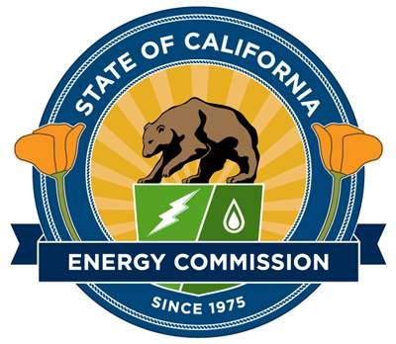
California Energy Commission
Clean Transportation Program
Solicitation GFO-24-609
Charging Interoperability and Collaboration Yard
Notice of Proposed Awards
2025-09-09
Proposal Number | Applicant | Funds Requested | Proposed Award | Match Amount | Score | Recommendation
Proposed Awards
7 | California Energy, Power, & Innovation Collaborative (Cal EPIC) | $4,000,000 | $4,000,000 | $3,801,312 | 79.76% | Awardee
 | TOTAL FUNDING RECOMMENDED | $4,000,000 | $4,000,000 | $3,801,312
Passed But Not Funded
2 | DynaChrg. Inc | $3,538,029 | $0 | $1,845,552 | 70.50%
4 | InCharge Energy Inc | $3,669,862 | $0 | $1,320,000 | 74.05%
5 | DEKRA Certification, Inc | $3,999,812 | $0 | $2,247,674 | 74.43%
6 | Hubject Inc | $3,519,450 | $0 | $1,958,878 | 72.62%
Disqualified
1 | SoCAL EVSP LLC | $303,374 | $0 | $123,200 | N/A | Failed technical screening. The applicant did not propose an eligible project.
3 | DAJ LLC | N/A | $0 | N/A | N/A | Failed technical screening. The applicant did not provide all required application components.
 | TOTAL PROPOSALS RECEIVED | $19,030,527 | $4,000,000 | $11,296,616

