Northern Region
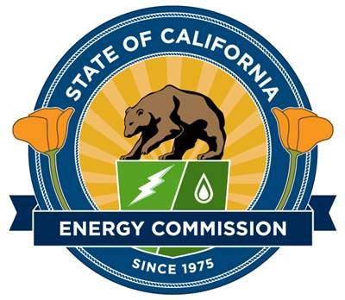
California Energy Commission
Equitable Building Decarbonization Direct Install Program - Northern Region
Solicitation GFO-23-404
Notice of Proposed Awards
2024-08-07

Proposed Award - Northern Region
Proposal Number | Applicant | Title | CEC Funds Requested | Proposed Award* | Score | Award Status
1 | Association for Energy Affordability | Equitable Building Decarbonization Program - Direct Install, Northern Region | $193,688,996 | $130,353,206 | 127.05 | Awardee

Passed But Not Funded - Northern Region
Proposal Number | Applicant | Title | CEC Funds Requested | Proposed Award | Score | Award Status
2 | Center for Sustainable Energy | Equitable Building Decarbonization Program - Direct Install | $193,689,000 | $0 | 123.20 | Finalist

 |  |  | Total Funds Requested | Total Proposed Award*
 |  |  | $387,377,996 | $130,353,206

 | * Proposed award amount includes both state and federal funds, and is contingent upon future state budget allocations and approval of federal funding.

